1. Title Page
Instacart Basket Analysis

Project Name: Instacart Basket Analysis Report
Date: August 2025
Analyst Name: Puneet Badwal

Contents:
Population Flow
Consistency checks
Wrangling steps
Column derivations
Visualizations
Recommendations

Data Citation:
“The Instacart Online Grocery Shopping Dataset 2017”, Accessed from www.instacart.com/datasets/grocery-shopping-2017 via Kaggle (August 2025).

2. Population Flow
Title page

Population flow

Exclusion flag
Condition: max_order <
Obervations to be removed:
Final total count of order_products_all:

Orders_products_combined
Orders_products_merged
Orders_products_all

Total: 32,404,859
Total: 32,434,489
Total: 32,404,859

1.) The grey boxes in the first row of the population flow represent the original data sets as they were when you downloaded them. In the Total fields you need to add the count of the rows when you imported the data set into Jupyter.
2.) The second row of boxes (coloured) represents the data sets after you manipulated them, e.g., removed missing values and duplicates. In the Total fields you need to add the count of the rows after conducting these operations. This offers a visual oveview of how the data flows throughout the data consistency checks.
3.) The third row, where also the arrows are coloured, represents the merges you performed between the datasets. In the Total fields you need to add the count of the rows in the merged datasets, so that you end up with the final dataset (in the red box). Keep in mind the final dataset should be without exclusions (based on the exclusion flag).

3. Consistency checks
 |  |  |  | Title page
Consistency checks

Dataset | Missing values | Missing values treatment | Duplicates
orders | 206209 missing values in the days_since_prior_order column | Left in dataframe | No duplicates
products | 16 NaN values in values in product_name column | Removed from dataframe | 5 duplicates found (deleted)
orders_products_prior | No missing values | N/A | No duplicates
customers | No missing values | N/A | No duplicates

4. Wrangling steps
 |  |  |  | Title page
Wrangling steps

Columns dropped | Columns renamed | Columns' type changed | Comment/Reason
eval_set' | "order_dow" to "order_day_of_the_week" | "order_id" to string | First was a part of the exercise, the order_dow change was for readability, and order_id needed to be a string
Unamed:0 | FIRST NAME to first_name | user_id to string | Needed to change user_id to a string for a match on the merge with the products dataframe
 | Surname to last_name |  | Readability/Consistency
 | STATE to state |  | Readability/Consistency
 | AGE to age |  | Readability/Consistency
 | GENDER to gender |  | Readability/Consistency
 | fam_status to family_status |  | Readability/Consistency
 | n_dependants to number_of_dependants |  | Readability/Consistency

5. Column derivations
 |  |  |  | Title page

Column derivations and aggregations

In this tab you should add tables below that the frequences of flags/label variables that you produced after deriving them. NB: don't do this for continuous variables, only for flags.
Dataset | New column | Column/s it was derived from | Conditions
ords_prods_merge | price_range_loc | prices | df.loc[df['prices'] > 15, 'price_range_loc'] = 'High range product' df.loc[(df['prices'] <= 15) & (df['prices'] > 5), 'price_range_loc'] = 'Mid range product' df.loc[df['prices'] <= 5, 'price_range_loc'] = 'Low range product'
ords_prods_merge | busiest_day | order_day_of_the_week | result = [] for value in ords_prods_merge['orders_day_of_the_week']: if value == 0: result.append('Busiest day') elif value == 4: result.append('Least busy') else: result.append('Regularly busy')
ords_prods_merge | busiest_days | order_day_of_the_week | "#New for-loop for busiest and slowest days result_new = [] for value in ords_prods_merge['orders_day_of_the_week']: if value in (0,1): result_new.append('Busiest days') elif value in (4,3): result_new.append('Slowest days') else: result_new.append('Regular days')"
ords_prods_merge | busiest_period_of_day | order_hour_of_day | #New loop for busiest and slowest hours results_hours = [] for value in ords_prods_merge['order_hour_of_day']: if value in (10,11,14,15,13,12,16,9): results_hours.append('Busiest hours') elif value in (3,4,2,5,1,0,6,23): results_hours.append('Slowest hours') elif value in (22,21,7,20,19,18,8,17): results_hours.append('Average hours')
ords_prods_merge | loyalty_flag | max_order | ords_prods_merge.loc[ords_prods_merge['max_order'] > 40, 'loyalty_flag'] = 'Loyal customer' ords_prods_merge.loc[(ords_prods_merge['max_order'] <= 40) & (ords_prods_merge['max_order']> 10), 'loyalty_flag'] = 'Regular customer' ords_prods_merge.loc[ords_prods_merge['max_order'] <= 10, 'loyalty_flag'] = 'New customer'
ords_prods_merge | spending_flag | mean_price | ords_prods_merge['spending_flag'] = ords_prods_merge.groupby('user_id')['prices'].transform(np.mean)
ords_prods_merge | spender_type | spending_flag | ords_prods_merge.loc[ords_prods_merge['spending_flag'] < 10, 'spender_type'] = 'Low spender' ords_prods_merge.loc[ords_prods_merge['spending_flag'] >= 10, 'spender_type'] = 'High spender'
ords_prods_merge | customer_frequency | median_flag | ords_prods_merge.loc[ords_prods_merge['median_flag'] > 20, 'customer_frequency'] = 'Non-frequent customer' ords_prods_merge.loc[(ords_prods_merge['median_flag'] <= 20) & (ords_prods_merge['median_flag'] > 10), 'customer_frequency'] = 'Regular customer' ords_prods_merge.loc[ords_prods_merge['median_flag'] < 10, 'customer_frequency'] = 'Frequent customer'
ords_prods_merge | median_flag | days_since_prior_order | ords_prods_merge['median_flag'] = ords_prods_merge.groupby('user_id')['days_since_prior_order'].transform(np.median)
df_merged | region | state | def region_map(state): if state in['Maine','New Hampshire','Vermont','Connecticut','Rhode Island', 'Massachusetts','New York','Pennsylvania','New Jersey']: return 'Northeast' elif state in['Wisconsin','Illinois','Michigan','Indiana','Ohio','North Dakota', 'South Dakota','Nebraska','Kansas','Minnesota','Missouri','Iowa']: return 'Midwest' elif state in ['Delaware', 'District of Columbia','Virginia','Maryland', 'West Virginia','Florida', 'Georgia','North Carolina', 'South Carolina','Kentucky','Tennessee', 'Texas','Alabama', 'Mississippi','Oklahoma','Arkansas','Louisiana']: return 'South' elif state in['Hawaii', 'Idaho','Alaska','Wyoming','Washington','Montana','Nevada', 'Arizona','Utah','California','Colorado','New Mexico','Oregon']: return 'West' else: return 'Unkown Region'
df_merged | customer_activity | max_order | df_merged.loc[df_merged['max_order'] < 5, 'customer_activity'] = 'Low activity' df_merged.loc[df_merged['max_order'] >= 5, 'customer_activity'] = 'High activity'
df_merged | parent_income_class | income, number_of_dependants | #Customer segment 1 - Parent income classes #High Income df_merged.loc[(df_merged['income'] >= 120000) & (df_merged['number_of_dependants'] >= 1), 'parent_income_class'] = 'High Income Parent' #Middle Class df_merged.loc[(df_merged['income'] < 120000) & (df_merged['income'] >= 96000) & (df_merged['number_of_dependants'] >= 1), 'parent_income_class'] = 'Middle Class Parent' #Low Income df_merged.loc[(df_merged['income'] <96000) & (df_merged['number_of_dependants'] >= 1), 'parent_income_class'] = 'Low Income Parent' #No kids df_merged.loc[(df_merged['number_of_dependants'] <1), 'parent_income_class'] = 'No kids'
df_merged | income_age_status | income, age | #Customer segment 2 - Income level by age (over or under 40) #High Income Young Adult df_merged.loc[(df_merged['age'] < 40) & (df_merged['income'] >= 120000), 'income_age_status'] = 'High Income Young Adult' #High Income Older Adult df_merged.loc[(df_merged['age'] >= 40) & (df_merged['income'] >= 120000), 'income_age_status'] = 'High Income Older Adult' #Middle Class Young Adult df_merged.loc[(df_merged['age'] < 40) & (df_merged['income'] < 120000) & (df_merged['income'] >=96000), 'income_age_status'] = 'Middle Class Young Adult' #Middle Class Older Adult df_merged.loc[(df_merged['age'] >= 40) & (df_merged['income'] < 120000) & (df_merged['income'] >=96000), 'income_age_status'] = 'Middle Class Older Adult' #Low Income Young Adult df_merged.loc[(df_merged['age'] < 40) & (df_merged['income'] <96000), 'income_age_status'] = 'Low Income Young Adult' #Low Income Older Adult df_merged.loc[(df_merged['age'] > 40) & (df_merged['income'] <96000), 'income_age_status'] = 'Low Income Older Adult'

6. Visualizations
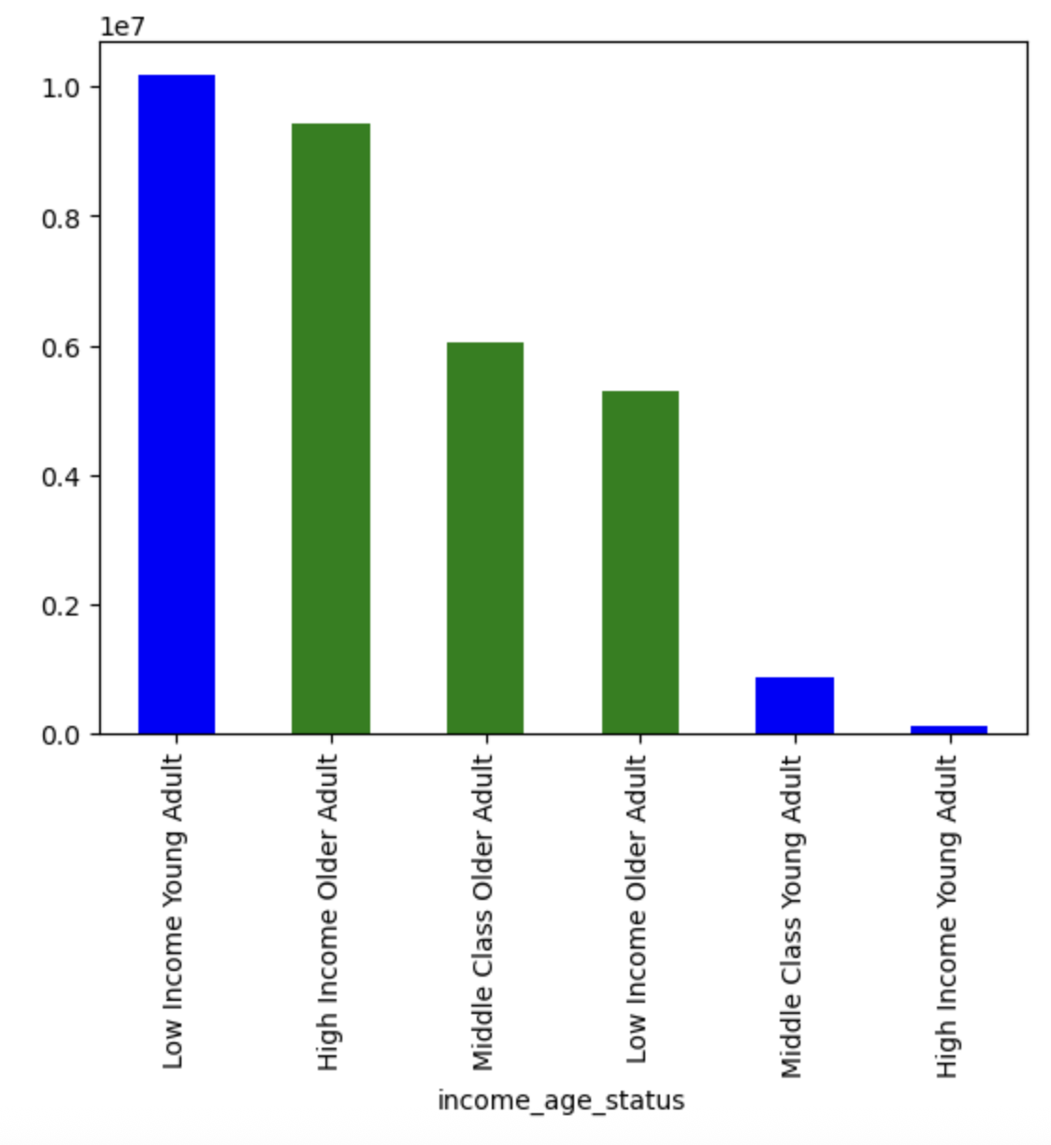
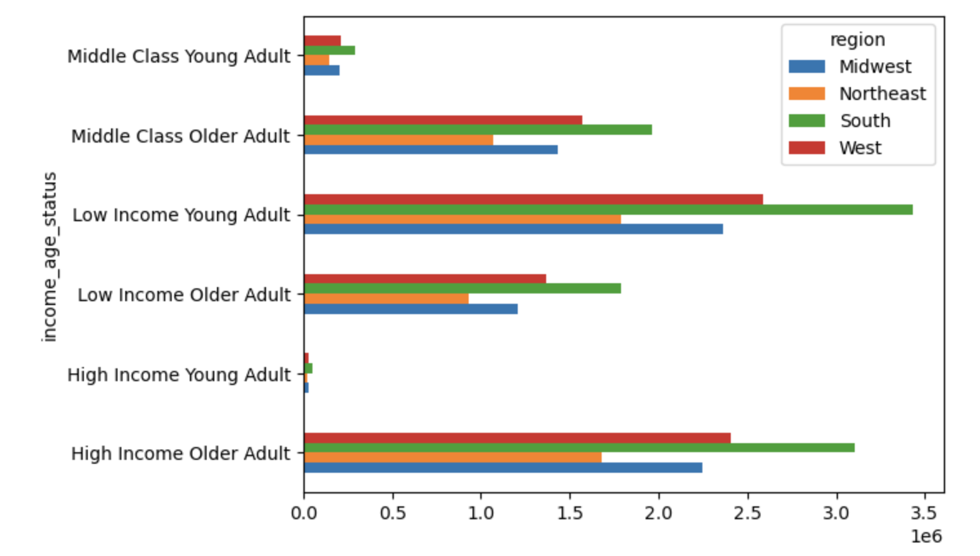
 | Title page

Visualisations

In this tab you should include all the visualtions from Exercises 4.9 and 4.10, alongside the questions from the project brief that they answer. Include any commentary on the relationship between different variables.

Key Question 1: Busiest days of the week and hours of the day?

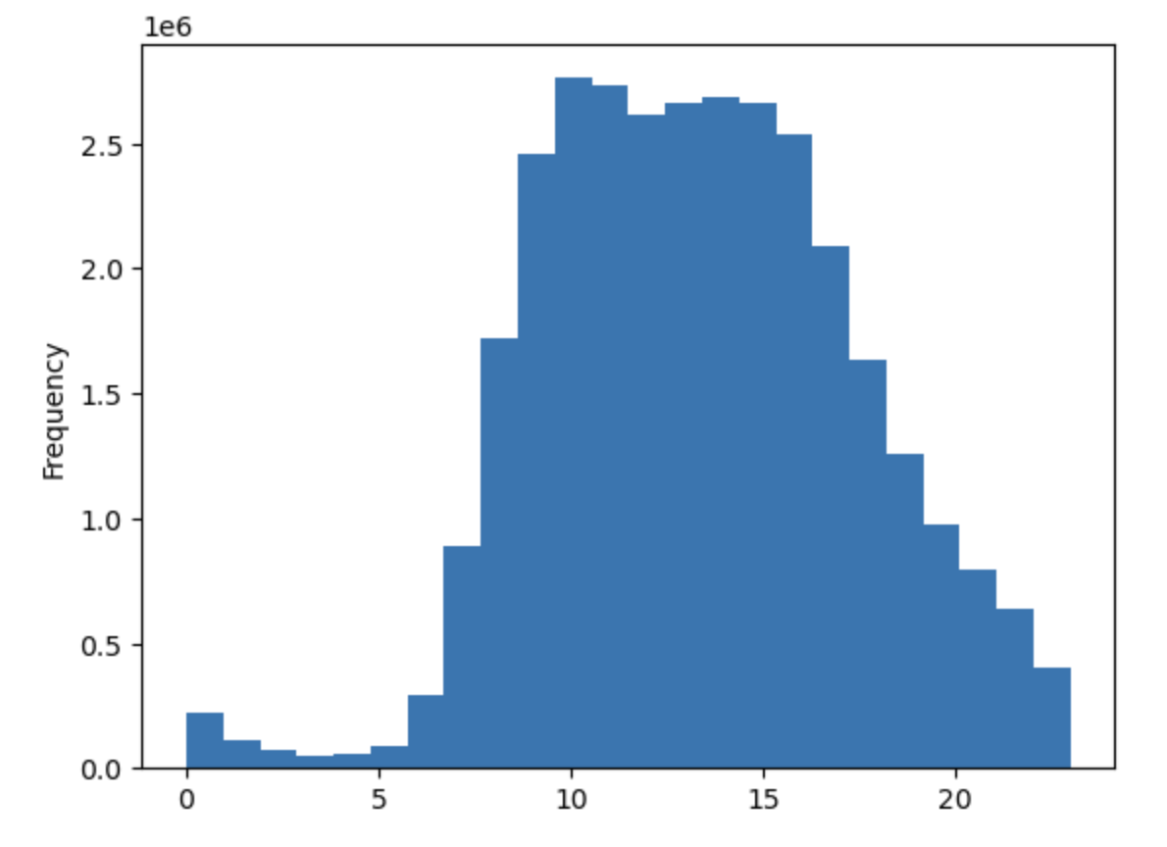
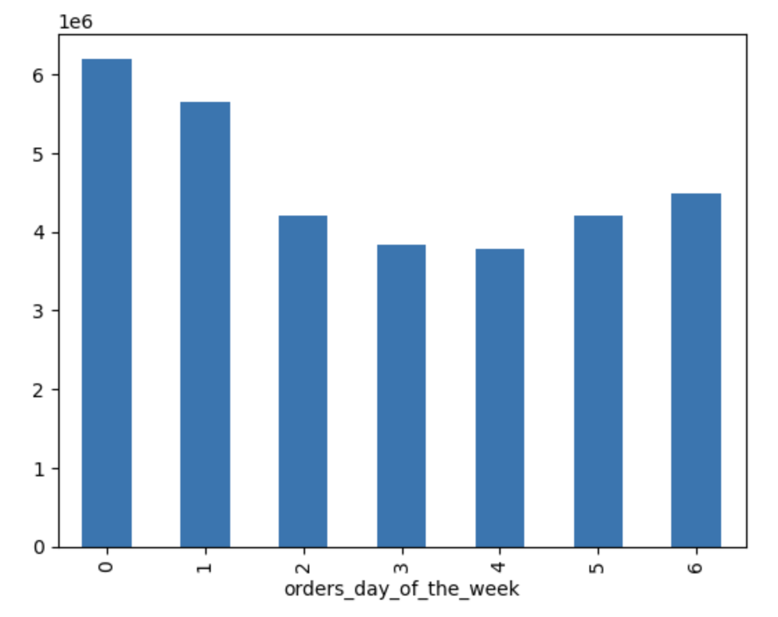

Key Question 2: What times of the day is the most money spent by customers?

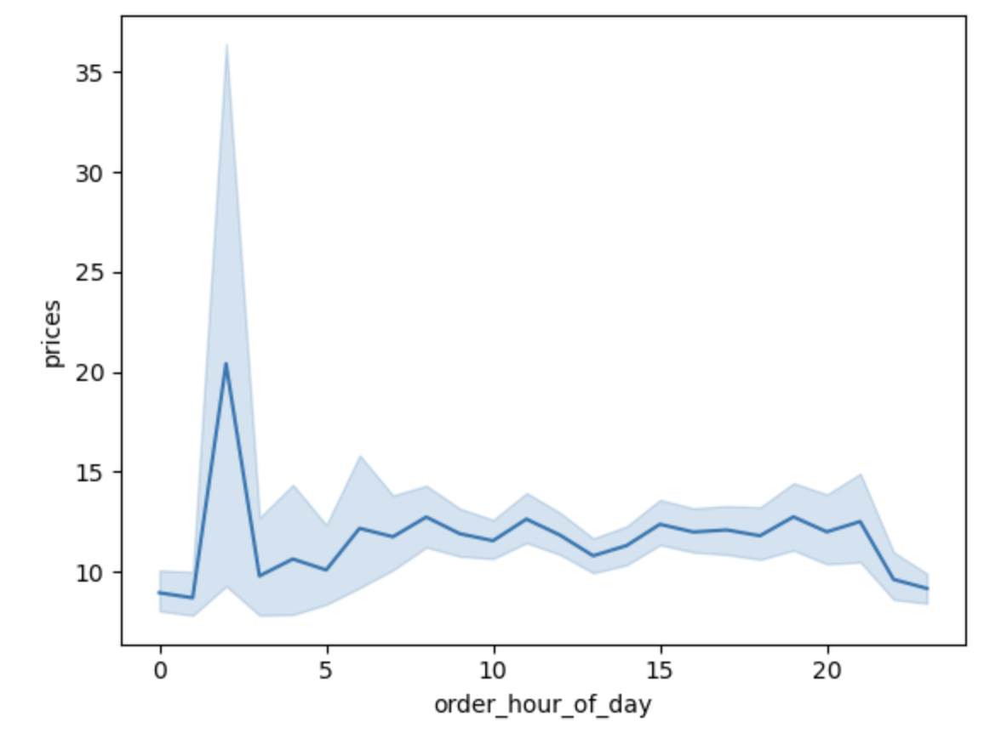

Key Question 3: What are the different product price tag ranges?

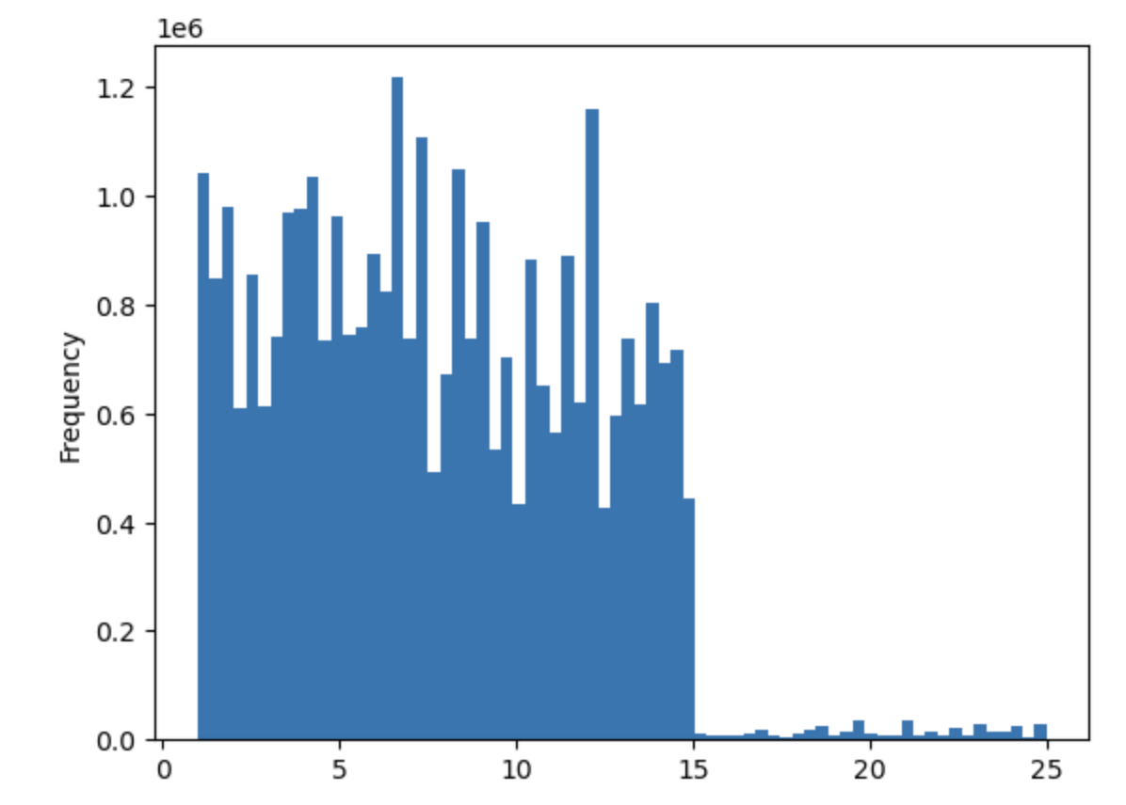

Key Question 4: Distribution among users and brand loyalty?

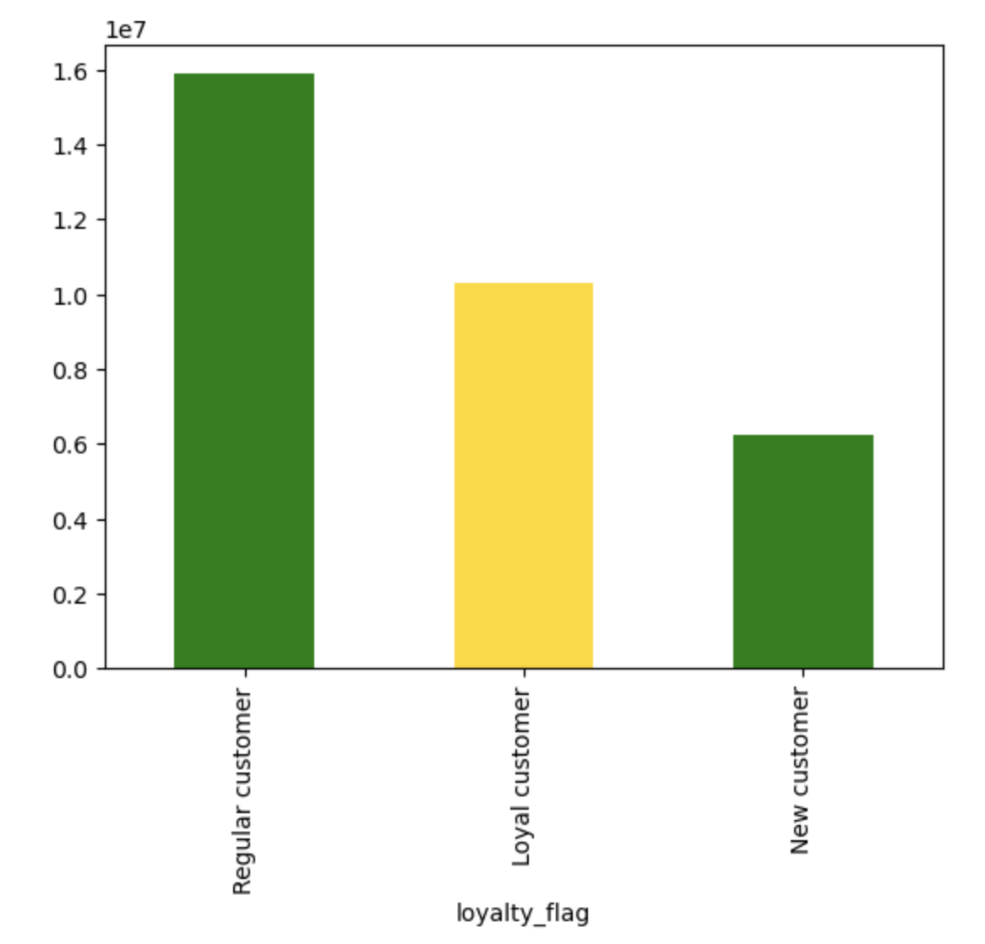

Key Question 5: Difference in customer's ordering habits based on region?
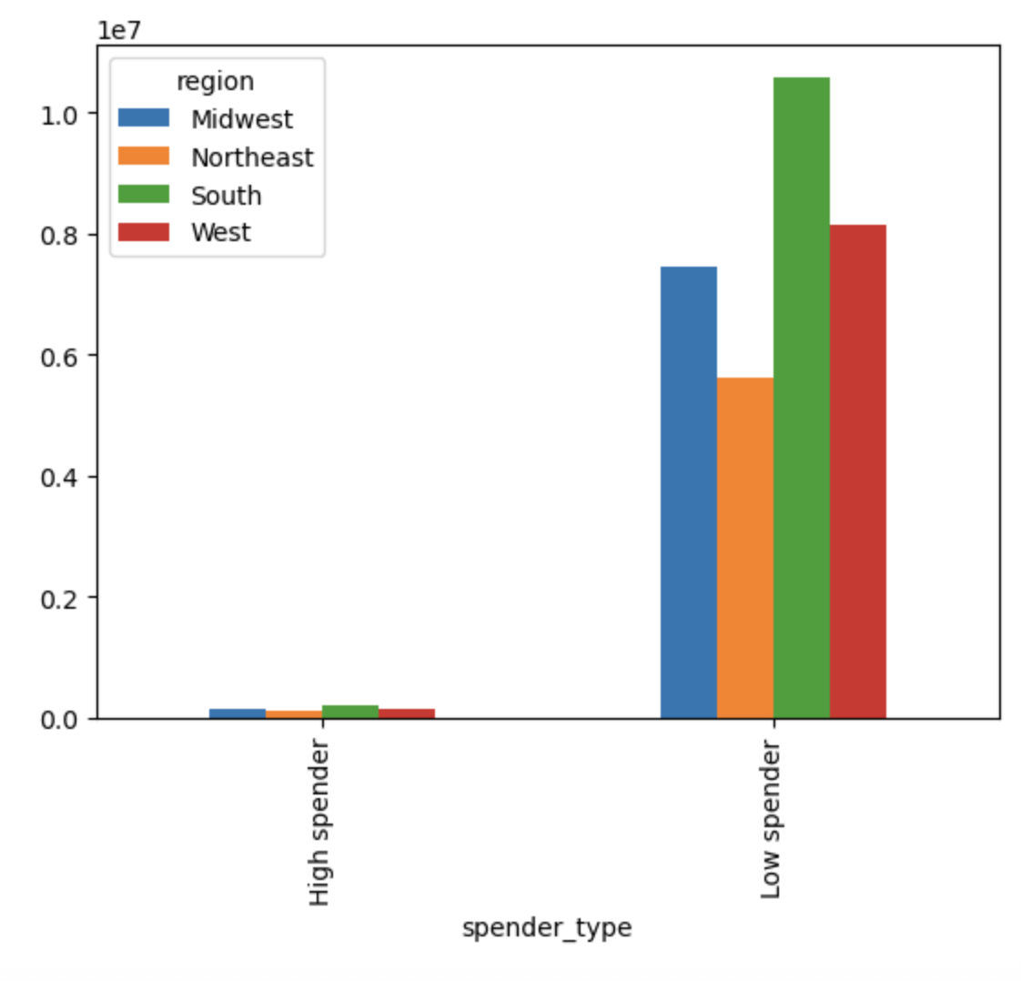

Key Question 6: Is there a correlation between age and income when it comes to buying habits?

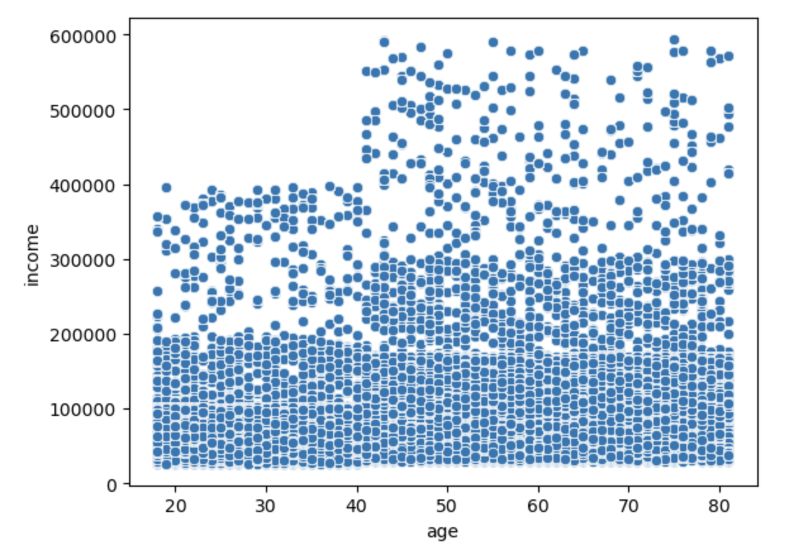

Key Question 7: Customer segments based on parents income class?

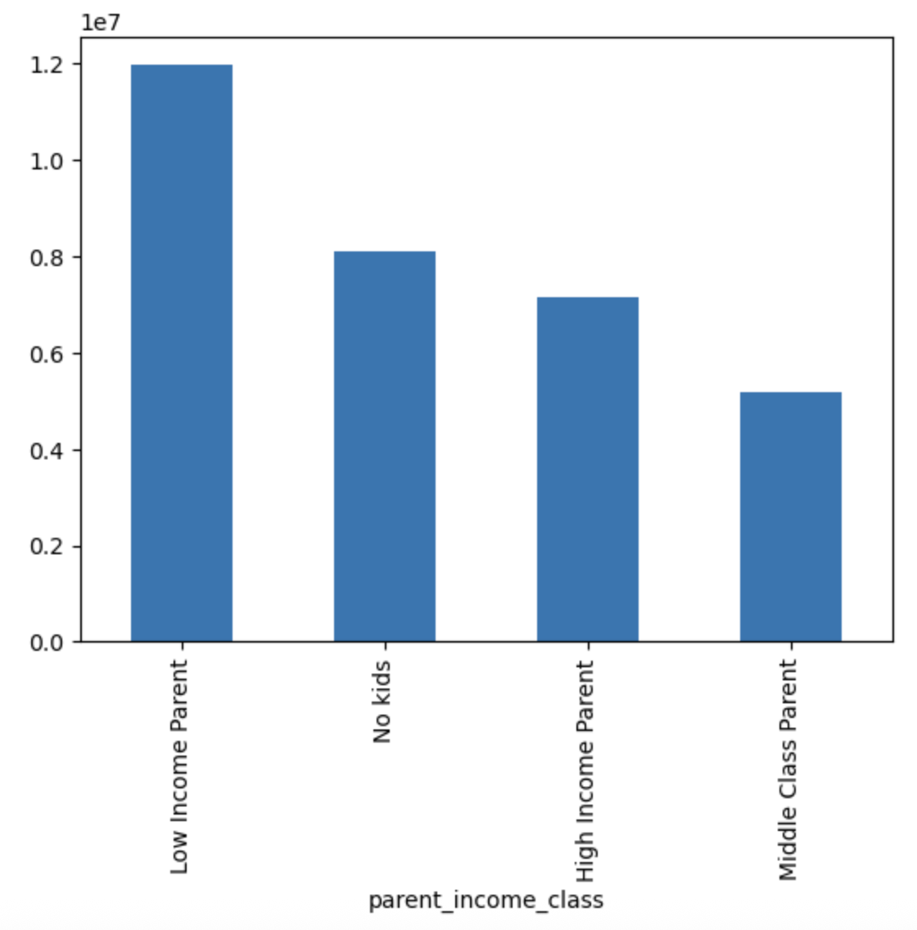
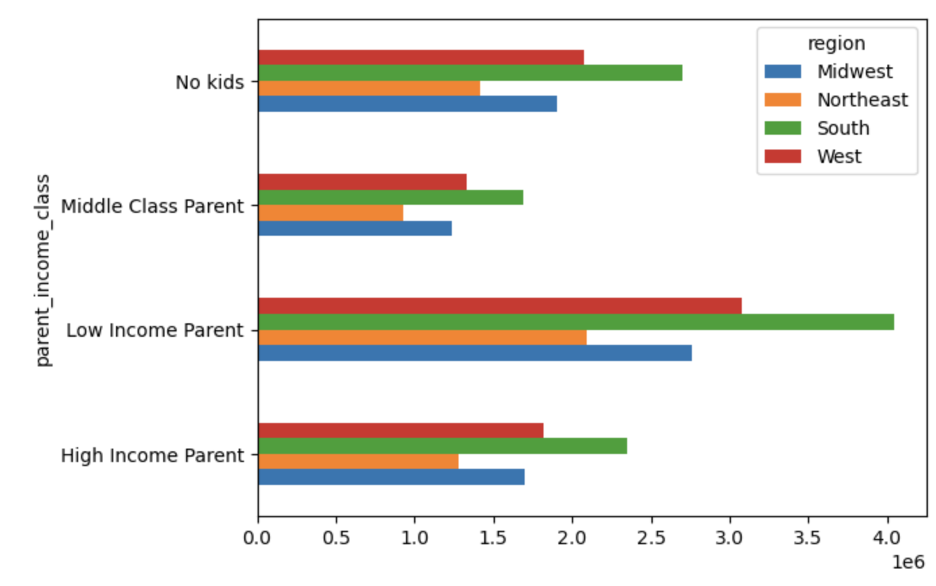

Key Question 8: Customer segment income and age status of customers and their spending power?

7. Recommendations
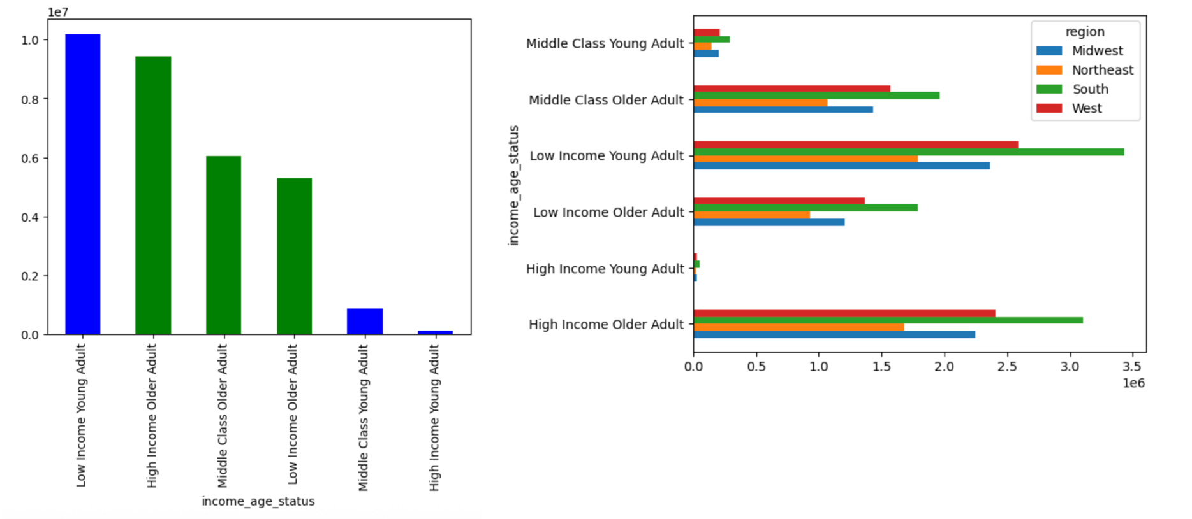
 |  |  |  |  | Title page

Recommendations

In this tab you should include any recommendations you would made to Instcart in terms of their marketing strategy based on the questions posed in the brief. Every key question has been covered in the Tasks of the Exercises - here you need to add an item - a visualisation or table/crosstable that is showing the answer in the data, acompanied by a comment from you. Please, list the questions below and add the answer underneath.

Key Question 1: |  |  | Conclusion/Recommendation:
What are the busiest days of the week and busiest hours of the day? |  |  | Based on the findings below, we can see that the busiest days of the week are Friday-Sunday, with Saturday being the busiest.
 |  |  | We can also see that the busiest hours of the day are between 8AM and 4PM with a peak around Noon
 |  |  | The best time to implement ads would on the weekends, during midday when the most eyeballs are on the site.
 |  |  | Conversely you could promote the brand on slower days (Tuesday-Wednesday), to try and influence buyers to come back to the site on the weekends
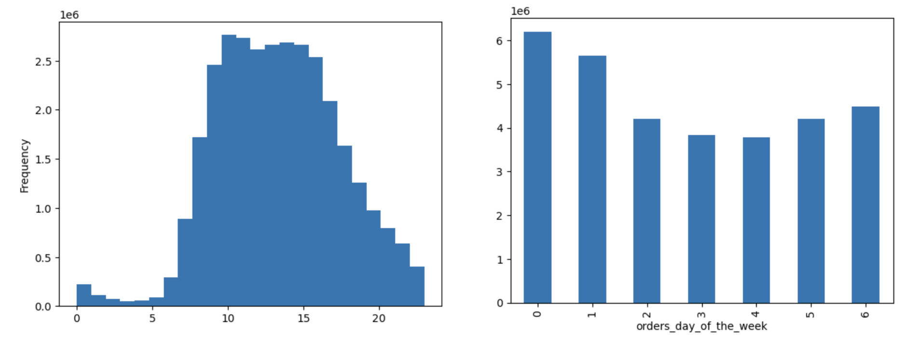

Key Question 2: |  |  | Conclusion/Recommendation:

What time of the day is the most money spend by the customer? |  |  | We can see based on the graphic below that the most money is spent at late hours of the nightbetween 1AM-3AM.
 |  |  | Then there is a steady purcahse trend for the rest of the day
 |  |  | This could be a result of automatic/reoccuring/bulk automated payments at the beginning of the day being processed



Key Question 3: |  |  | Conclusion/Recommendation:

What are the different product price tag ranges? | Based off the frequency chart below, we can see that the majority of products fall under the $15 price range
 | There are very few products sold over $15, and the products only go as high as $25.
 | The marketing team should segment the price buckets into 3 sections:
 | The first would be the "low range" product bucket under $10. Secondly the mid range bucket of $10-$15, and the last bucket would be above $20, as the "high end products"

Key Question 4: |  |  |  | Conclusion/Recommendation:

What is the distribution amonst loyal customers? How many of them are returning more frequesntly? |  |  |  | Below, we can see that the loyal customers are highlighted in gold. There is a healthy amount of them, but as many as the regulars
 |  |  |  | There is still a steady increase of new customers, but they are most likely to become just "regulars"
 |  |  |  | Instacart should implement a "loyalty" program to those who shop more frequent than every 5 days (coupons, promotions, etc.)
 |  |  |  | Instacart could also incentivize the regulars by offer more emails/ads to enofrce more frequent buying behaviors

Key Question 5: |  | Conclusion/Recommendations:

What are the different customer buying habits by region? |  | Overall, the region with the most customers is the Southern region of states, with low and high spenders.
 |  | The West and Midwest come in 2nd and 3rd, while the Northeast comes comfortably in last.
 |  | Targeting ads should be focused on most regions of the US, and the lest amount towards the Northeastern states, as they show the smallest customer base.

Key Question 6: |  |  |  | Conclusion/Recommendation:

Is there a correlation between age and income when it comes to buying habits? |  |  | We can see an obvious pattern for those above the age of 40. They have significantly more welth and purchasing power.
 |  |  | Instacart should target their older audience, because we can see there isn't a single customer under the age of 40 that makes it past the 400K threshold
 |  |  | We can see many customers making well over 400K after the age of 40, so it's in the best interest of Instacart to focus on the older audience

Key Question 7: |  | Conclusion/Recommendation:

Customer segment: How many parent customers are there based on income class? |  | We can see based off this breakout that the majority of customers are parents, and the vast majority of parents make under $96K
 |  | There are more high income parents ($120K+), than middle class parents (Between $96K-$120K)
 |  | Each region still acts the same based on these breakouts, with the South leading overall again
 |  | Instacart should advertise more of their parent/family oriented products for this case, since most of the customer base are those with children
 |  | Instacart can also promote their "low-range" product prices, for those under $10 (as seen above)

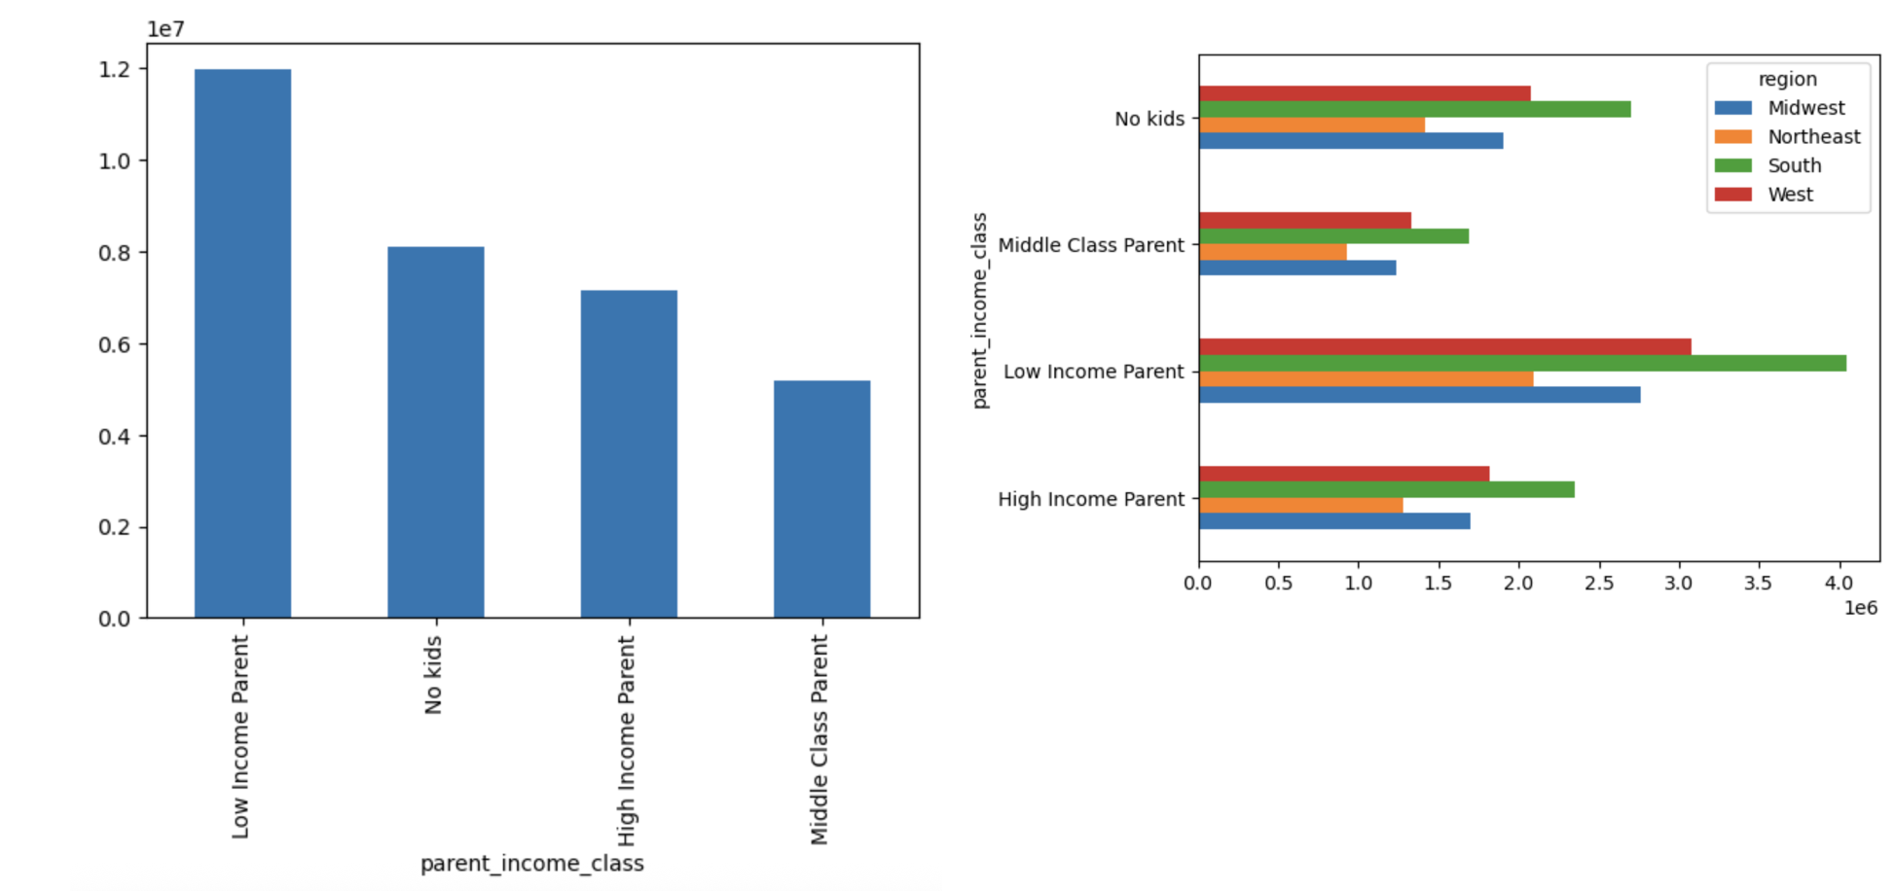

Key Question 8: |  |  |  | Conclusion/Recommendation:

Customer Segment: What does the customer base look like based on income class and age (40 year old threshold)? |  |  |  | We see that the largest customer base is made up of low income yound adults
 |  |  |  | But looking closer, the 3 consecutive green lines show a much larger "older adult" base in all 3 income classes.
 |  |  |  | Instacart should promote the cheaper, low range items to the younger audience who have less spending power
 |  |  |  | Instacart can also cater to those older adults in the South region, since that region spends the most.
 |  |  |  | Similar to other statistics, most regional trends stay the stay for all the customers

